Sheet1
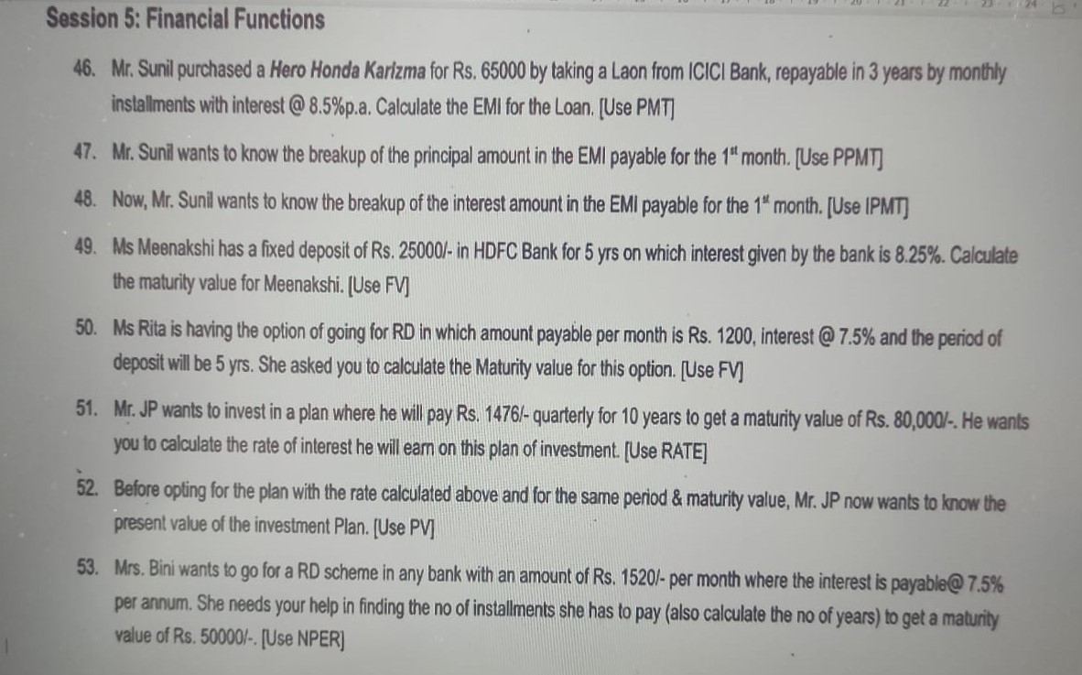
FINACIAL FUNCTIONS

 | Prinicipal Amount | Rate of Intrest | Time | FV
 | -65000 | 9.00% | 5 | ₹100,010.56 | =FV(C10,D10,,B10) | FV(C10,D10,B10) | 95 | 78 | 75 | 69 | 75 | 88 | 480 | 80

46 | PMT | Rate | Time | PMT
 | 65000 | 8.50% | 3 | ₹-2,051.89 | =PMT(C13/12,D13*12,B13) | PMT(C13/12,D13*12,B12)

47 | PV | Rate | Time | PPMT
 | 65000 | 8.50% | 3 | ₹-1,591.47 | =PPMT(C16/12,1,D16*12,B16) | PPMT(C16/12,1,D16*12,B16)

48 | PV | Rate | Time | IPMT
 | 65000 | 8.50% | 3 | ₹-460.42 | =IPMT(C19/12,1,D19*12,B19) | IPMT(C19/12,1,D19*12,B19)

49 | PV | Rate | Time | FV
 | -25000 | 8.25% | 5 | ₹37,160.33 | =FV(C22,D22,,B22) | FV(C22,D22,,B22)

50 | RD | Rate | Time | FV
 | -1200 | 7.50% | 5 | ₹1,722.76 | =FV(C25,D25,,B25)

51 | PV | TIME | FV | RATE
 | -1476 | 10 | 80000 |  | #N/A

52 | Time | FV | Rate | PV
 | 10 | 80000 | 10.50% |  | #N/A

53 | RD | Rate | FV | NPER
 | -1520 | 7.5% | 50000 |  | #N/A

